Cover Page
 Vendor Security Assessment Toolkit by CORL Technologies This document is PROPRIETARY and CONFIDENTIAL Information. It may not be used, disclosed or reproduced, in whole or in part, without the express written permission of CORL Technologies, LLC

Version 3.00 (On Prem+PSQ)

Network_Architecture_Diagrams
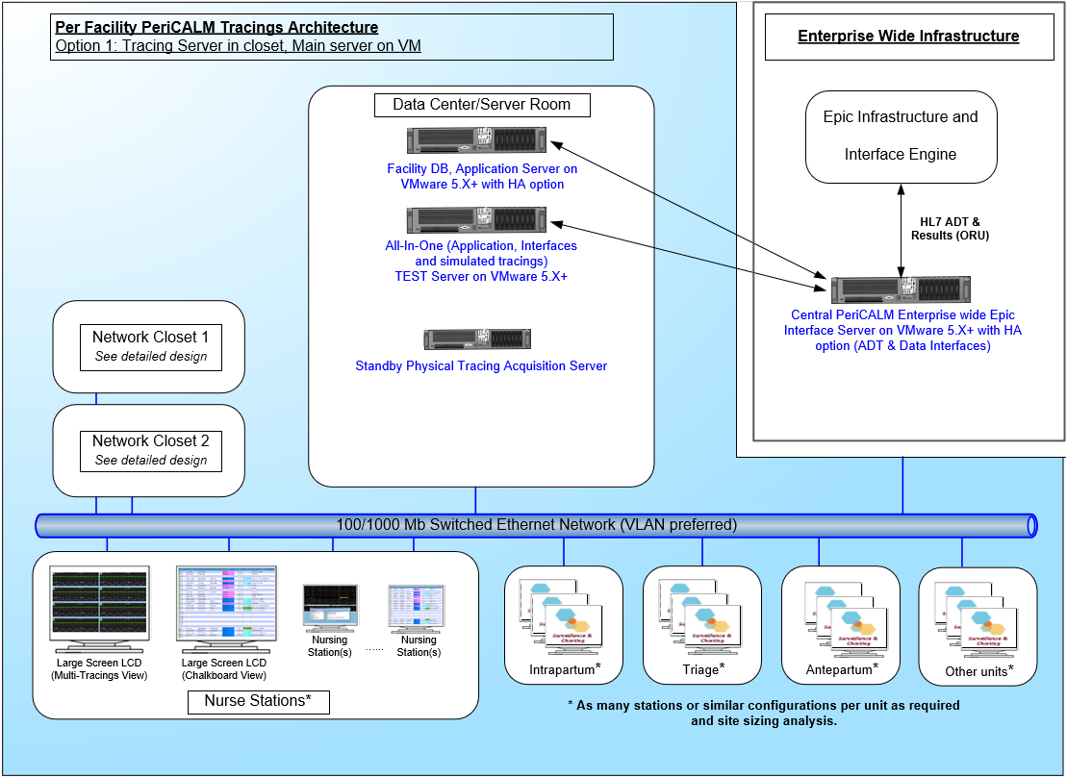
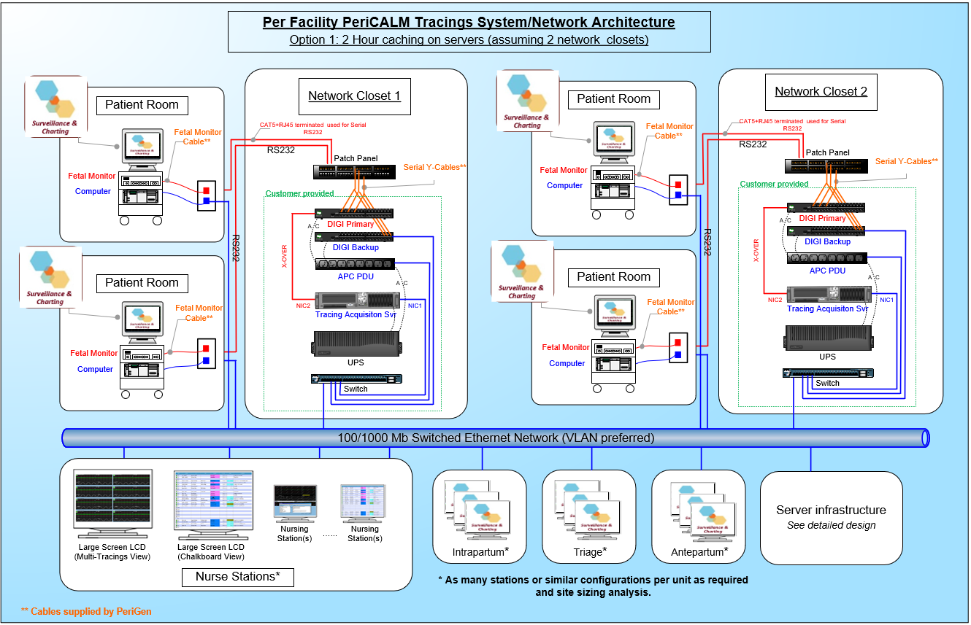
Objective: | Summary/Explanation (if diagrams are not available): | Evidence/Assurance
Please provide any and all network architecture diagram(s) within this worksheet: |  | Please attach network architecture diagram(s) or provide screenshots below:

